offer sheet
O F F E R S H E E T
Seller (Exporter) | [기재: 상호 / 주소 / 담당자 / Tel / Email] |  |  |  |  | Date | 2026-06-22
Buyer | [기재: 회사명 / 국가 / 담당자] |  |  |  |  | Validity | 30 days from offer date
Manufacturer | (주)믿음에프엔비 / MIDUM F&B Co., Ltd. |  |  |  |  | Incoterms | FOB Busan, Korea
Country of Origin | Republic of Korea (processed) |  |  |  |  | Payment | T/T [기재: 조건]
Currency | USD (price per EA) |  |  |  |  | Packing | Carton box
Product Image | Product Name | Unit Price (FOB, USD/EA) | Shelf Life | Storage | Volume / EA | PCS / BOX | Box Spec (mm) | Gross Weight / BOX | HS CODE | MOQ | Sales Point
제품 사진 | 제품명 | FOB 단가(USD/EA) | 유통기한 | 보관방법 | 낱개 용량 | 박스입수 | 박스규격 | 박스 총중량 | HS코드 | 최소주문 | 특장점
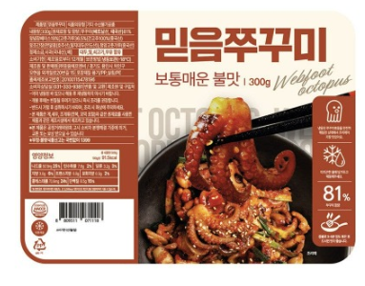 | Stir-fried Webfoot Octopus 쭈꾸미 | 5.14 | 12 months 12개월 | -18℃ Frozen 냉동보관 | 300 g | 12 | 480×400×320 | 4.0 kg | 1605.55 | 20 box | Authentic Korean spicy stir-fried webfoot octopus; ready-to-cook
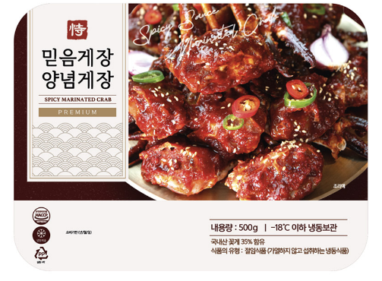 | Spicy Marinated Crab 양념게장 | 9.43 | 12 months 12개월 | -18℃ Frozen 냉동보관 | 500 g | 6 | 480×400×320 | 3.5 kg * | 1605.10 | 40 box | Bold spicy marinated blue crab; ready-to-eat Korean delicacy
 | Soy Sauce Marinated Peeled Shrimp 깐새우장 | 5.23 | 12 months 12개월 | -18℃ Frozen 냉동보관 | 300 g | 20 | 480×400×320 | 6.7 kg * | 1605.21 | 10 box | Shell-free soy-marinated shrimp; sweet & savory, convenient
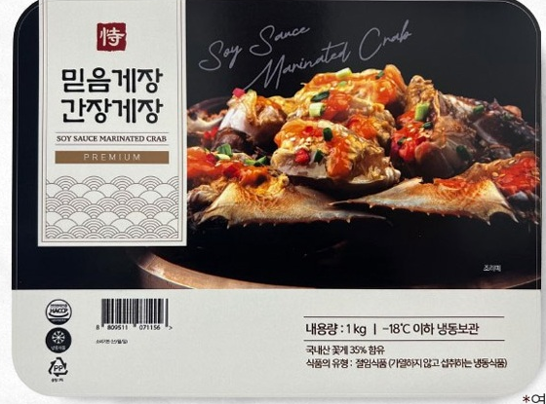 | Soy Sauce Marinated Crab 간장게장 | 10.29 | 12 months 12개월 | -18℃ Frozen 냉동보관 | 600 g | 6 | 480×400×320 | 4.0 kg * | 1605.10 | 10 box | Premium soy-sauce marinated blue crab; Korea's signature delicacy
Notes: * Gross weight is estimated (net + packaging); please confirm actual carton weight. HS codes are 6-digit (indicative); confirm 10-digit HSK with customs. All items are kept frozen at -18℃. Prices are FOB Busan in USD per EA, valid 30 days.

